Source 1
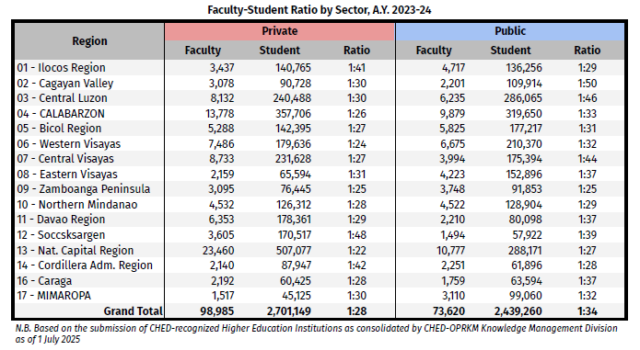
Higher Education Enrollment Rates and Faculty-Student Ratio per Region:
https://ched.gov.ph/2024-higher-education-facts-and-figures/

Higher Education Enrollment Rate by Region and Institution Type: A.Y. 2023-2024 |  |  |  |  | Faculty-Student Ratio by Sector: A.Y. 2023-2024

Region | Private | SUC | LUC | OGS | Region | Private Faculty | Private Student | Public Faculty | Public Student
01 - Ilocos Region | 140765 | 103763 | 32493 | 0 | 01 - Ilocos Region | 3437 | 140765 | 4717 | 136256
02 - Cagayan Valley | 90728 | 109914 | 0 | 0 | 02 - Cagayan Valley | 3078 | 90728 | 2201 | 109914
03 - Central Luzon | 240488 | 221992 | 64073 | 0 | 03 - Central Luzon | 8132 | 240488 | 6235 | 286065
04 - CALABARZON | 357706 | 244174 | 74401 | 1075 | 04 - CALABARZON | 13778 | 357706 | 6879 | 319650
05 - Bicol Region | 142395 | 120279 | 56938 | 0 | 05 - Bicol Region | 5288 | 142395 | 5825 | 177217
06 - Western Visayas | 179636 | 179444 | 30926 | 0 | 06 - Western Visayas | 7426 | 179636 | 4475 | 210323
07 - Central Visayas | 231628 | 136194 | 39200 | 0 | 07 - Central Visayas | 8733 | 231628 | 9394 | 175394
08 - Eastern Visayas | 65594 | 141785 | 11111 | 0 | 08 - Eastern Visayas | 2195 | 65594 | 3616 | 152896
09 - Zamboanga Peninsula | 76445 | 87758 | 4095 | 0 | 09 - Zamboanga Peninsula | 3095 | 76445 | 3748 | 91853
10 - Northern Mindanao | 126312 | 86584 | 42320 | 0 | 10 - Northern Mindanao | 4330 | 126312 | 4522 | 90094
11 - Davao Region | 178361 | 54266 | 25832 | 0 | 11 - Davao Region | 6533 | 178361 | 5300 | 80898
12 - Socsksargen | 170517 | 50886 | 7036 | 0 | 12 - Socsksargen | 3605 | 170517 | 4326 | 57922
13 - Nat. Capital Region | 507077 | 179836 | 107403 | 932 | 13 - Nat. Capital Region | 23460 | 507077 | 10777 | 288171
14 - Cordillera Adm. Region | 87947 | 61896 | 0 | 0 | 14 - Cordillera Adm. Region | 2162 | 87947 | 1711 | 63612
16 - Caraga | 60425 | 62612 | 982 | 0 | 16 - Caraga | 2192 | 60425 | 1759 | 62971
17 - MIMAROPA | 45125 | 94617 | 4643 | 0 | 17 - MIMAROPA | 1254 | 45125 | 2386 | 95260
Grand Total | 2701149 | 1935800 | 501453 | 2007 | Grand Total | 98858 | 2701149 | 73160 | 2439260

